User Guide
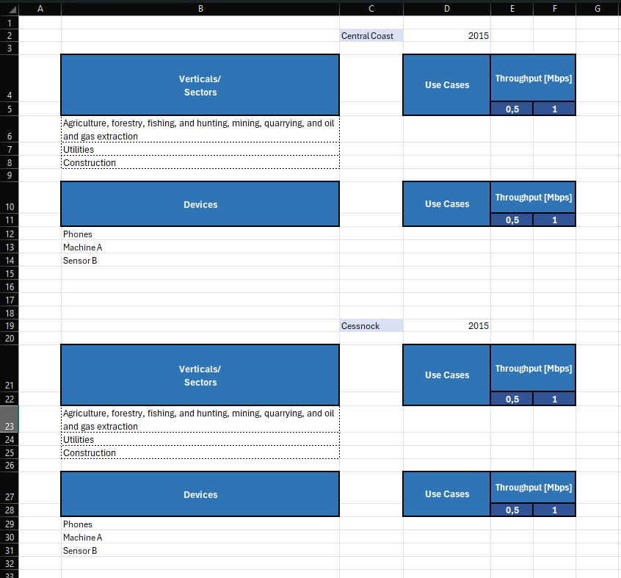
 |  | *Todos os nomes são passíveis de ser alterados (ter em atenção que pode ser preciso alterar código também)
User Guide |  | **Esta funcionalidade podem vir a ser alteradas/removidas

EXEMPLO: Criar tabelas de Troughput para várias regiões
Resultado pretendido:

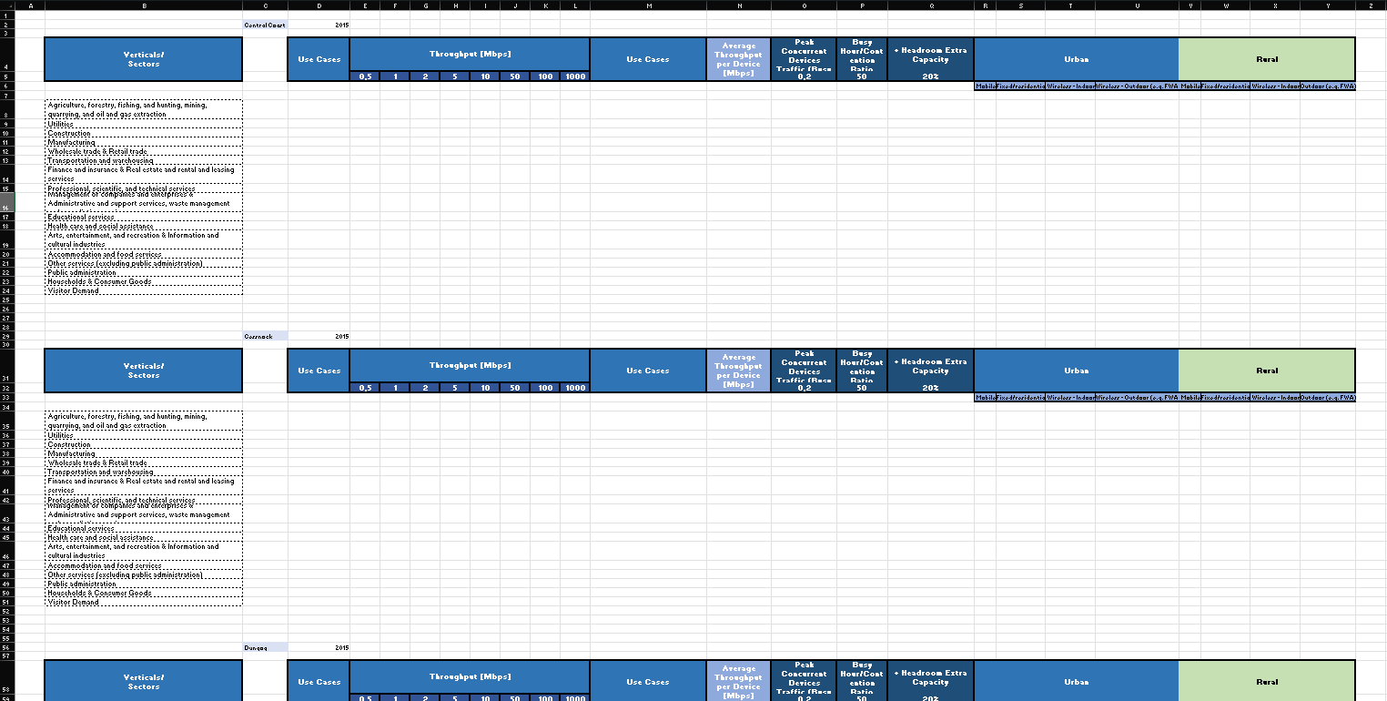

Para obter este resultado podemos dividir os inputs em Regiões (com a data), em cabeçalho e verticais. Usando uma folha para cada input temos:
Em 'Regions':
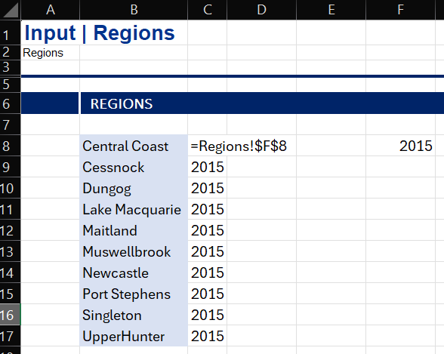

Em 'Headers':

Em 'Verticals_Sectors':
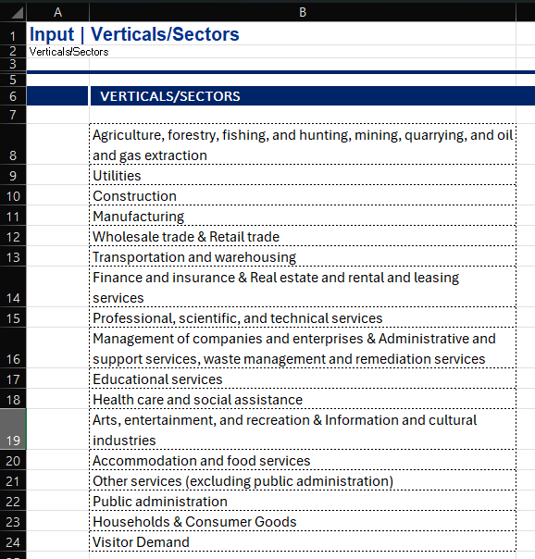

Tendo os inputs preenchidos nas folhas pretendidas é só escrever instruções apropriadas no 'Model Configurator'.
Para este simples exemplo são necessárias 4 instruções. Uma para cada input e uma para o output.
Cada instrução ocupa uma linha e têm três colunas de preenchimento obrigatório e mais 6 para definir melhor o que fazer com cada Input. As três obrigatórias são:
Type of Instruction - Tem as seguintes opções:
 | Title (Input - Coluna) - Título para as tabelas, apenas uma linha por tabela. Header (Input - Linha) - Input em linha usado como Cabeçalho/Linha. Column (Input - Coluna) - Input em coluna usado como Coluna. Output - Esta instrução define em que folha vão ficar as tabelas.
Sheet - Localização do Input ou para onde vai o Output
First Cell - Célula mais em cima, à esquerda do input/onde as tabelas irão ser geradas
Em baixo encontram-se algumas informações sobre as colunas de preenchimento opcional.

1
Ao meter 1 na distância do
'Title' a célula das regiões irá se deslocar 1 à direita da coluna B
1
1
Ao meter 1 na distância do 'Header' existirá 1 de distância ao input da instrução anterior
4
Ao definir a distância 4 as tabelas irão ter 4 células de distância entre si
Preenchimento opcional
As "Regiões" têm 2 colunas Isso deve ser indicado
no parâmetro 'Width'
O cabeçalho têm 4 linhas Isso deve ser indicado
no parâmetro 'Width'
COLUNAS OPCIONAIS

Manual do 'Model Configurator'
A macro 'CreateTablesFromInput' usa esta folha para criar tabelas ou conjuntos de tabelas através de instruções. A instrução de 'Output' separa conjuntos de instruções para criar tabelas/conjuntos de tabelas.
Cada instrução ocupa uma linha e tem três colunas de preenchimento obrigatório e mais seis opcionais para definir melhor o que fazer com cada Input.
COLUNAS OBRIGATÓRIAS
Type of Instruction
Define o tipo de instrução, esta pode ser:
 | Title (Input - Coluna) - Input de título para as tabelas, as células de input são colunas. Apenas um por conjunto de instruções. Header (Input - Linha) - Input usado em Cabeçalho ou linha, as células são de input são linhas. É possível usar vários seguidos, antes e depois de colunas. Column (Input - Coluna) - Input usado como Coluna, as células são de input colunas. É possível usar vários e distribuílos ao longo da tabela (ver Distance to table parts > Colunm). Output - Instrução que define em aonde vão ficar as tabelas. Separa outros conjuntos de instruções.

Sheet
Origem/Destino dos Inputs.

First Cell
Célula mais em cima, à esquerda do Input/Output.

COLUNAS OPCIONAIS
Distance to table parts
Dependendo da instrução:
 | Output - Distância entre Tabelas/Conjuntos de tabelas. Title - Distância à primeira Coluna do Output. Header - Distância ao título ou tabela anterior. Column - Distância à primeira Coluna do Output. Ao usar isto é possível definir onde vários inputs coluna ficam dentro de uma tabela.

Maximum length
Tamanho máximo de Inputs lidos em linha/coluna.
Ex: Se definir uma coluna com 1000 de 'Maximum Length', a macro irá ler no máximo 1000 linhas de Input.

Width of Inputs
Os Inputs podem ter mais que 1 de "largura". Para a macro conseguir ler mais que 1 de largura, a última tem que ser definida.
Ex: Para que se consiga usar ter o cabeçalho na imagem, é preciso que a macro desenhe o cabeçalho com 4 de "largura" (neste caso altura).
Apenas ao definir a 'Width' deste Input a 4 ele criará a tabela com o cabeçalho completo.

Last Input is Total**
Ao marcar esta célula, a macro irá somar as linhas ou colunas na úlitma célula do 'Header' ou 'Colunm'. Apenas usado com 'Header' e 'Column'.
Para colunas, a macro apenas faz totais até à próxima Coluna.
Ex: Na imagem abaixo os valores '0' no fim da tabela existem devido à seleção de 'Last Input is Total'. Mais à direita não há '0' pois existe uma Coluna pelo meio.

Count in Total**
Apenas funciona com colunas. Ao marcar esta célula, a macro irá usar este Input de Coluna nos totais e continuará também a fazer somas despois desta coluna.
Caso a altura desta Coluna igual ou maior à que tem a opção 'Last Input Is Total' esta opção não faz nada.
Esta definição juntamente com o 'Last Input is Total' permite personalizar quando e onde haverão totais.

Fixed References
Esta opção muda o comportamento quando a macro copia referências.
Quando marcada as referências absolutas serão copiadas para o Output com o comportamento normal.
Quando desmarcada as referências absolutas serão copiadas para o Output com o mesmo comportamento de uma referência relativa.
Ex: Com 'Fixed References' marcado.
Linhas
Títulos
Títulos
Colunas
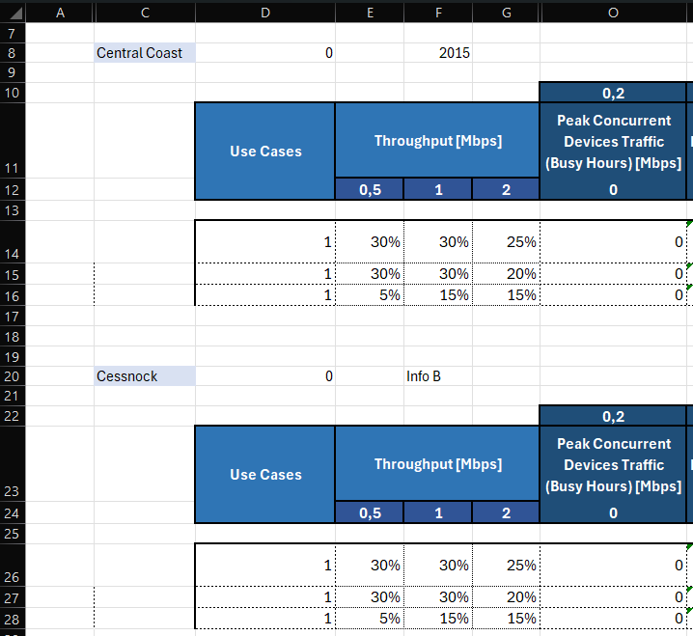 |  | 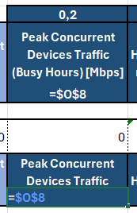 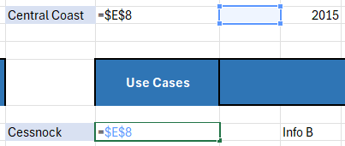 | 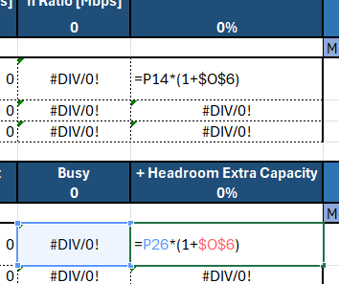
Ex: Com 'Fixed References' Desmarcado.
Linhas
Colunas
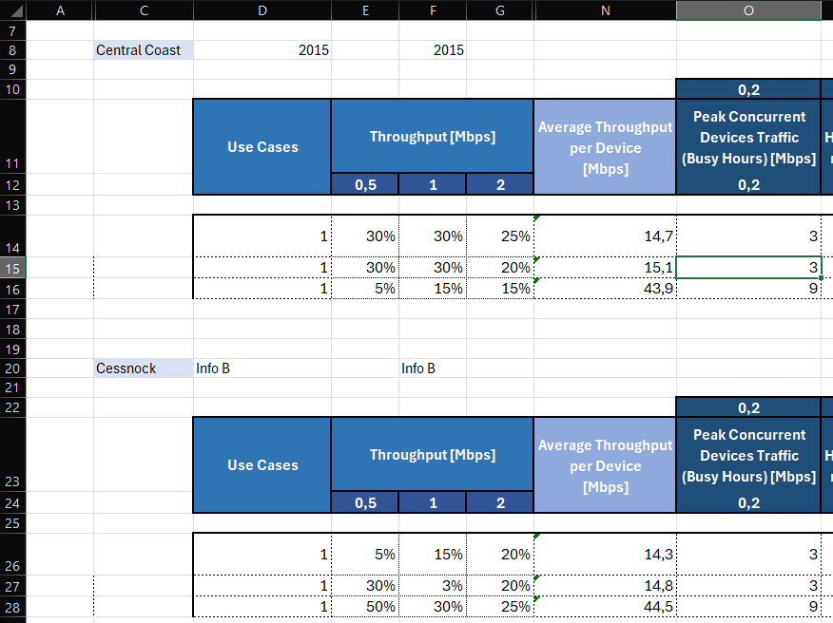 |  | 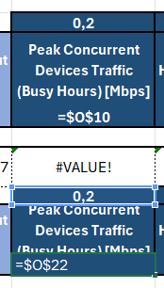 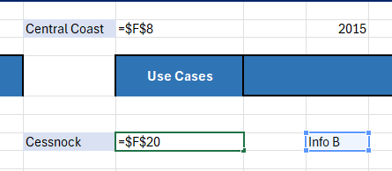 | 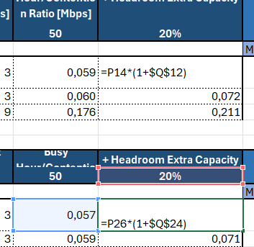

EXEMPLO: Conjuntos de Tabelas
Uma Tabela
Model Configurator: |  |  | Output:

 |  |  | 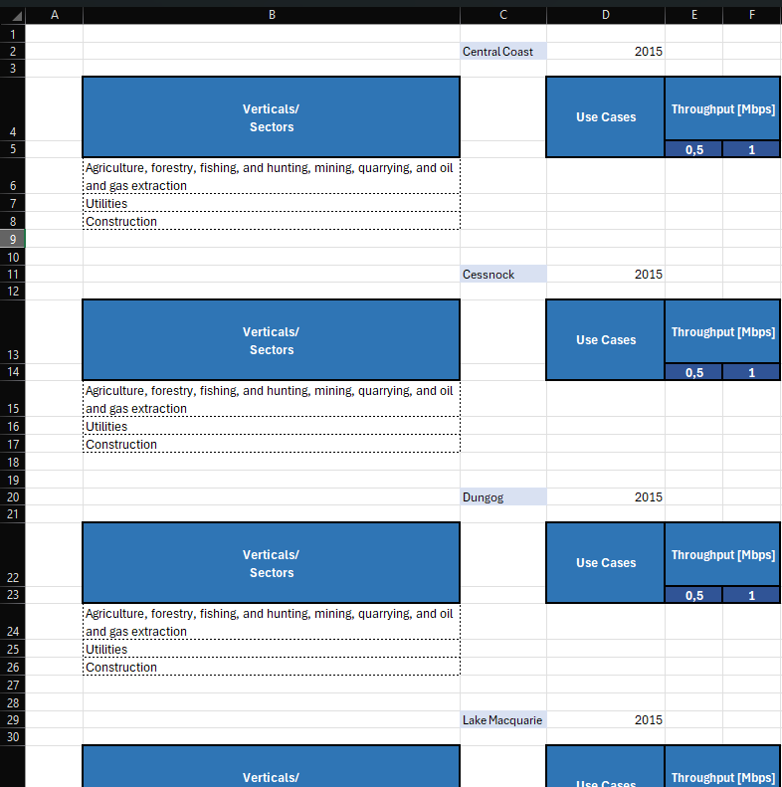

Duas Tabelas
Model Configurator: |  |  | Output:

